Ark1
Time Between Radio signal start to nano start signal

Measurment nr | Time (us) | Setup:
1 | 171 | Time measured with cursors on scope
2 | 178 | Scope: | Keysight DSOX1102G | aau21180-04
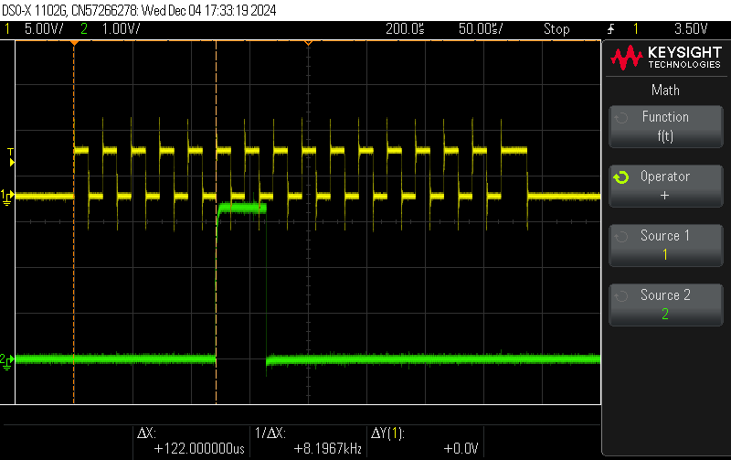
3 | 175
4 | 164
5 | 92
6 | 92
7 | 151
8 | 142
9 | 124
10 | 124
11 | 133
12 | 166
13 | 124
14 | 140
15 | 169
16 | 149
17 | 150
18 | 131
19 | 165
20 | 123
21 | 160
22 | 91
23 | 132
24 | 135
25 | 181
26 | 168
27 | 178
28 | 166
29 | 80
30 | 134
31 | 99
32 | 153
33 | 179
34 | 125
35 | 132
36 | 174
37 | 169
38 | 160
39 | 122
40 | 110
41 | 139
42 | 175
43 | 178
44 | 130
45 | 143
46 | 94
47 | 180
48 | 98
49 | 138
50 | 104
51 | 89
52 | 178
53 | 134
54 | 122
55 | 173
56 | 110
57 | 160
58 | 123
59 | 88
60 | 125
61 | 158
62 | 168
63 | 154
64 | 178
65 | 166
66 | 136
67 | 124
68 | 179
69 | 122
70 | 107
71 | 142
72 | 158
73 | 188
74 | 110
75 | 112
76 | 132
77 | 63
78 | 95
79 | 174
80 | 95
81 | 136
82 | 103
83 | 155
84 | 181
85 | 166
86 | 158
87 | 82
88 | 132
89 | 115
90 | 115
91 | 113
92 | 106
93 | 98
94 | 166
95 | 105
96 | 140
97 | 138
98 | 190
99 | 101
100 | 90

